Diazepam
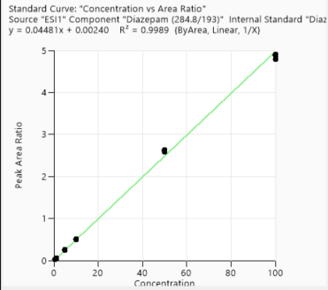
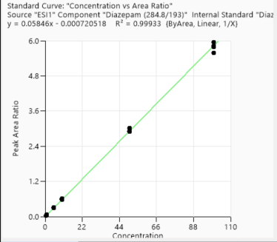
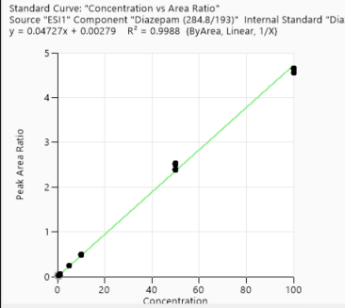
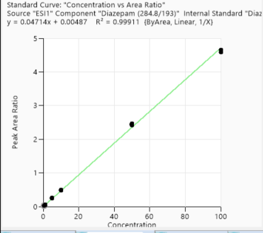
Calibration points data
 | 1st Day | 3rd Day | 2nd week | 4th week
Concentration of clabibration points/ppb | Peak area/IS Ratio | Peak area/IS Ratio | Peak area/IS Ratio | Peak area/IS Ratio
0.5 | 0.02483057 | 0.024788833 | 0.02379002 | 0.027562967
0.5 | 0.025026059 | 0.025349565 | 0.027329265 | 0.028622625
0.5 | 0.025239893 | 0.025578737 | 0.027238955 | 0.026442546
0.5 | 0.024616312 | 0.025631115 | 0.027755097 | 0.027944877
1 | 0.044657083 | 0.047674196 | 0.047601427 | 0.061700039
1 | 0.046111947 | 0.049686911 | 0.053070024 | 0.056589645
1 | 0.045162508 | 0.046779365 | 0.053180354 | 0.05555665
1 | 0.045732103 | 0.051629746 | 0.053042261 | 0.05793033
5 | 0.223565014 | 0.247534106 | 0.247923135 | 0.283114239
5 | 0.233085962 | 0.247513028 | 0.252406049 | 0.286238532
5 | 0.224194287 | 0.249560135 | 0.250602712 | 0.294012132
5 | 0.229019733 | 0.236911147 | 0.256558523 | 0.305727378
10 | 0.448570569 | 0.478386661 | 0.4936343 | 0.584941825
10 | 0.459549827 | 0.491770049 | 0.500337611 | 0.59800583
10 | 0.453340073 | 0.488697994 | 0.482540679 | 0.587339545
10 | 0.455132979 | 0.496599597 | 0.479512911 | 0.608074425
50 | 2.372891753 | 2.505706455 | 2.460366436 | 3.027353186
50 | 2.361511232 | 2.404947667 | 2.441858908 | 2.920304808
50 | 2.318489933 | 2.527293922 | 2.44025779 | 3.024253339
50 | 2.325371539 | 2.377991526 | 2.420467113 | 2.894035792
100 | 4.310245139 | 4.560724675 | 4.646708024 | 5.587242397
100 | 4.404974395 | 4.63479736 | 4.595541669 | 5.797036314
100 | 4.420258408 | 4.652100877 | 4.647248556 | 5.829028034
100 | 4.38069749 | 4.649755643 | 4.583954383 | 5.950572677

Accuracy points data
 | 1st Day | 3rd Day | 2nd week | 4th week
Concentration of Accuracy points /ppb | Peak area/IS Ratio | Peak area/IS Ratio | Peak area/IS Ratio | Peak area/IS Ratio
2.5 | 0.126080522 | 0.13206841 | 0.130843971 | 0.18336543
2.5 | 0.126159049 | 0.124228443 | 0.136698923 | 0.18664915
2.5 | 0.124102611 | 0.131153552 | 0.146054565 | 0.188730612
2.5 | 0.1270219 | 0.133594216 | 0.14201406 | 0.193366257
25 | 1.170967266 | 1.166202472 | 1.198833653 | 1.673007023
25 | 1.185164727 | 1.17516518 | 1.185563782 | 1.711497853
25 | 1.171521973 | 1.17435763 | 1.196430591 | 1.687324269
25 | 1.152777168 | 1.228552325 | 1.179056049 | 1.689619902
75 | 3.518612405 | 3.558298297 | 3.572009507 | 4.788237374
75 | 3.539483821 | 3.595029041 | 3.50522675 | 4.956072449
75 | 3.380931507 | 3.54938727 | 3.514459698 | 4.808649145
75 | 3.535584604 | 3.491190295 | 3.486152057 | 4.901583338

1st day
3rd day
2nd week
4th week

Lorazepam
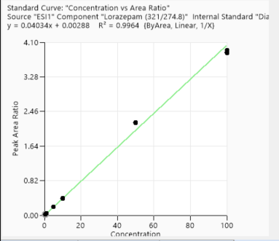
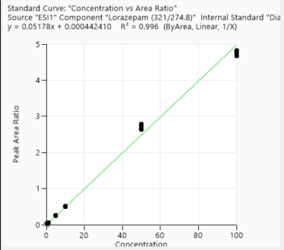
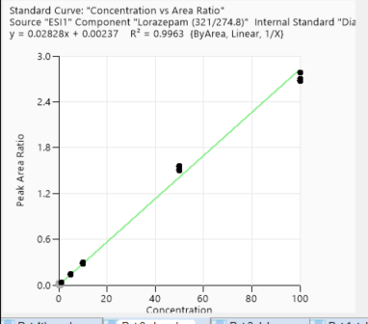
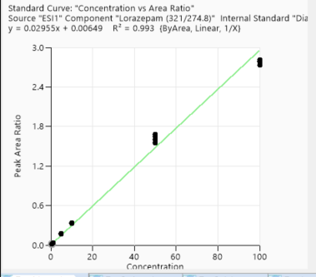
Calibration points data
 | 1st Day | 3rd Day | 2nd week | 4th week
Concentration of clabibration points/ppb | Peak area/IS Ratio | Peak area/IS Ratio | Peak area/IS Ratio | Peak area/IS Ratio | 3956 | 389938 | 0.010145203
0.5 | 0.022161923 | 0.026026583 | 0.015207137 | 0.018293861 | 4105 | 384225 | 0.010683844
0.5 | 0.022351087 | 0.026132319 | 0.015741437 | 0.018597126 | 4448 | 322786 | 0.013780028
0.5 | 0.021251206 | 0.02425538 | 0.015303693 | 0.017847951 | 4544 | 334324 | 0.013591606
0.5 | 0.023791857 | 0.023948141 | 0.015704158 | 0.01809729 | 39197 | 404048 | 0.097010751
1 | 0.041570888 | 0.049985757 | 0.030357454 | 0.038688702 | 38621 | 433715 | 0.089046955
1 | 0.045965826 | 0.051513265 | 0.030364861 | 0.034427283 | 40992 | 423117 | 0.096881005
1 | 0.044929792 | 0.054904618 | 0.031616873 | 0.032086589 | 41888 | 463515 | 0.090370322
1 | 0.043581313 | 0.051749282 | 0.031379941 | 0.034540497
5 | 0.204966732 | 0.266884334 | 0.149899363 | 0.164410752
5 | 0.204011005 | 0.255542287 | 0.142379183 | 0.163888347
5 | 0.199418481 | 0.259173639 | 0.149986193 | 0.170524744
5 | 0.201390109 | 0.256350086 | 0.140945393 | 0.178772688
10 | 0.392046247 | 0.520343542 | 0.288851047 | 0.330409659
10 | 0.400584946 | 0.533296479 | 0.295366676 | 0.333728207
10 | 0.391088047 | 0.518734348 | 0.28125256 | 0.333577494
10 | 0.405027171 | 0.517424357 | 0.284357262 | 0.340868023
50 | 2.208555973 | 2.836744478 | 1.546148036 | 1.684903774
50 | 2.199218493 | 2.775660916 | 1.525164923 | 1.60107905
50 | 2.195317175 | 2.901676032 | 1.561943026 | 1.650446567
50 | 2.181614877 | 2.747191369 | 1.50323606 | 1.552197879
100 | 3.84022594 | 5.002743198 | 2.783893101 | 2.736342874
100 | 3.915979397 | 4.921810811 | 2.673665409 | 2.77877937
100 | 3.853949335 | 5.014724231 | 2.681896178 | 2.790923344
100 | 3.875588607 | 4.861044211 | 2.698660221 | 2.81440204

Accuracy points data
 | 1st Day | 3rd Day | 2nd week | 4th week
Concentration of Accuracy points /ppb | Peak area/IS Ratio | Peak area/IS Ratio | Peak area/IS Ratio | Peak area/IS Ratio
2.5 | 0.106902297 | 0.134901492 | 0.076856418 | 0.097076198
2.5 | 0.106833277 | 0.130217814 | 0.078169376 | 0.101083376
2.5 | 0.113623546 | 0.137241052 | 0.068070548 | 0.099569554
2.5 | 0.111345049 | 0.13715026 | 0.080583378 | 0.097447254
25 | 1.016728437 | 1.229771032 | 0.682777923 | 0.77562227
25 | 1.081052846 | 1.275614852 | 0.686882763 | 0.753048853
25 | 1.041965352 | 1.206406737 | 0.698538968 | 0.753591512
25 | 1.057072366 | 1.276380096 | 0.682597615 | 0.746007655
75 | 3.376354446 | 3.710610703 | 2.099085463 | 2.008865602
75 | 3.548198745 | 3.749475514 | 2.069034499 | 2.104932562
75 | 3.117797614 | 3.820756163 | 2.08981359 | 1.958871146
75 | 3.464948218 | 3.7774312 | 2.091583097 | 1.966853943

1st day
3rd day
2nd week
4th week

Metalachlor
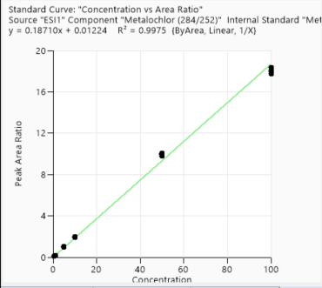
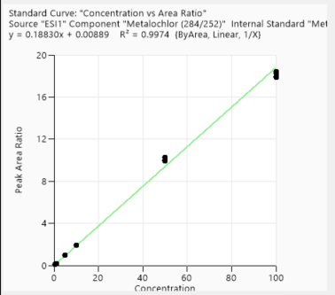
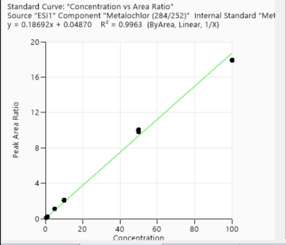
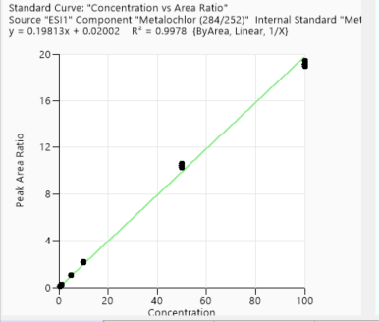
Calibration points data
 | 1st Day | 3rd Day | 2nd week | 4th week
Concentration of clabibration points/ppb | Peak area/IS Ratio | Peak area/IS Ratio | Peak area/IS Ratio | Peak area/IS Ratio
0.5 | 0.100097467 | 0.093702719 | 0.109967297 | 0.104336071
0.5 | 0.09494829 | 0.099064773 | 0.133011397 | 0.110318255
0.5 | 0.08976316 | 0.093616955 | 0.123140591 | 0.109028739
0.5 | 0.098080718 | 0.095578023 | 0.124256682 | 0.10701291
1 | 0.196483948 | 0.188642279 | 0.215025688 | 0.214784939
1 | 0.194330037 | 0.196612417 | 0.238950251 | 0.213439087
1 | 0.196569814 | 0.198253957 | 0.241223256 | 0.205370812
1 | 0.197960152 | 0.196244585 | 0.231311666 | 0.220409128
5 | 0.985163607 | 0.987482848 | 1.085328206 | 1.059239227
5 | 1.024491068 | 0.993366305 | 1.094789576 | 1.055232869
5 | 1.008414582 | 1.00258148 | 1.091855125 | 1.051245087
5 | 0.980427931 | 0.977074281 | 1.088088845 | 1.067063179
10 | 1.953859153 | 1.917608097 | 2.073538569 | 2.126719478
10 | 1.94977488 | 1.912935519 | 2.109914373 | 2.110923234
10 | 2.007611029 | 1.949859824 | 2.128345825 | 2.181681457
10 | 1.949833969 | 1.936032993 | 2.114269751 | 2.168158023
50 | 9.980383463 | 10.296781966 | 10.04332161 | 10.393074332
50 | 10.079201858 | 9.925578674 | 10.024786315 | 10.289299453
50 | 9.807544979 | 10.016119588 | 9.806659895 | 10.598137599
50 | 9.911176985 | 10.000977633 | 9.947361749 | 10.4992201
100 | 18.05674453 | 17.976180491 | 17.958298596 | 19.067420706
100 | 17.749332424 | 18.300443781 | 17.846000154 | 18.938814607
100 | 17.942974769 | 18.384607469 | 17.903568554 | 19.127486562
100 | 18.350219814 | 17.880654303 | 17.921931238 | 19.418091886

Accuracy points data
 | 1st Day | 3rd Day | 2nd week | 4th week
Concentration of Accuracy points /ppb | Peak area/IS Ratio | Peak area/IS Ratio | Peak area/IS Ratio | Peak area/IS Ratio
2.5 | 0.503824509 | 0.517142007 | 0.555251107 | 0.567711659
2.5 | 0.521442991 | 0.496842673 | 0.592178814 | 0.545150492
2.5 | 0.501500344 | 0.495364901 | 0.621339062 | 0.546011475
2.5 | 0.507054266 | 0.535477273 | 0.614938679 | 0.575104324
25 | 4.79027153 | 4.790723893 | 5.022064141 | 5.292128126
25 | 4.661765229 | 4.7028515 | 4.959347725 | 5.279971544
25 | 4.581939349 | 4.64461532 | 4.988466364 | 5.207179603
25 | 4.804366966 | 4.796342196 | 5.011261222 | 5.193882057
75 | 14.378410956 | 14.042974656 | 14.296312082 | 14.526469006
75 | 14.138975571 | 13.680682475 | 14.060492518 | 15.191640444
75 | 14.179685048 | 13.868061419 | 14.084951949 | 15.225855117
75 | 13.862847614 | 14.264149313 | 14.107915153 | 15.400521659

1st day
3rd day
4th week
2nd week

Alprazolam
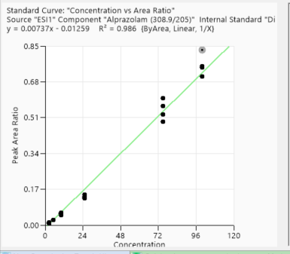
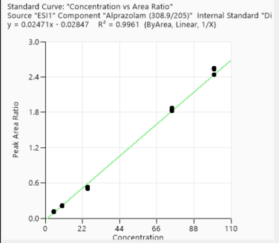
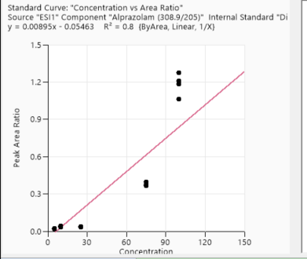
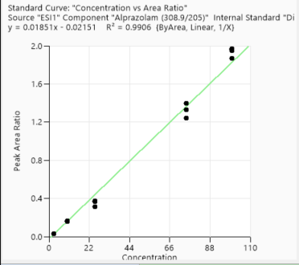
Calibration points data
 | 1st Day | 3rd Day | 2nd week | 4th week
Concentration of clabibration points/ppb | Peak area/IS Ratio | Peak area/IS Ratio | Peak area/IS Ratio | Peak area/IS Ratio
5 | 0.085331181 | 0.02446558 | 0.111035835 | 0.02152137
5 | 0.083507648 | 0.024817256 | 0.110799793 | 0.023486239
5 | 0.085912669 | 0.025380239 | 0.111277626 | 0.019468007
5 | 0.08879444 | 0.032969916 | 0.109593794 | 0.019322573
10 | 0.166675225 | 0.04819871 | 0.219770873 | 0.042412094
10 | 0.160558785 | 0.051525942 | 0.212453214 | 0.040242588
10 | 0.155531877 | 0.058516225 | 0.202480369 | 0.032943753
10 | 0.158590357 | 0.054395616 | 0.204516994 | 0.037674691
25 | 0.366289053 | 0.14541282 | 0.531515873 | 0.035062212
25 | 0.368208072 | 0.128373864 | 0.522008431 | 0.036147294
25 | 0.371052168 | 0.129389144 | 0.502968772 | 0.036409366
25 | 0.311786146 | 0.136335415 | 0.502037112 | 0.037239893
75 | 1.330978107 | 0.601206679 | 1.848106508 | 0.377888279
75 | 1.39615374 | 0.490996329 | 1.847987852 | 0.397258508
75 | 1.245440566 | 0.524442124 | 1.875808536 | 0.368013866
75 | 1.398771747 | 0.566156893 | 1.818490606 | 0.36726633
100 | 1.967902864 | 0.831083167 | 2.552021321 | 1.27774231
100 | 1.961127073 | 0.754582308 | 2.528690726 | 1.186484497
100 | 1.949448815 | 0.704769981 | 2.434382217 | 1.210116035
100 | 1.86882629 | 0.748347955 | 2.437118825 | 1.063474596
Accuracy points data
 | 1st Day | 3rd Day | 2nd week | 4th week
Concentration of Accuracy points /ppb | Peak area/IS Ratio | Peak area/IS Ratio | Peak area/IS Ratio | Peak area/IS Ratio
2.5 | 0.033305625 | 0.00827052 | 0.048349041 | 0.001541925
2.5 | 0.029832272 | 0.011199339 | 0.049096321 | 0.002557707
2.5 | 0.033228162 | 0.009910386 | 0.054365918 | 0.001753426
2.5 | 0.033378018 | 0.01245415 | 0.056211915 | 0.003056503
50 | 0.985912444 | 0.400762841 | 1.316799919 | 0.495933651
50 | 1.077005639 | 0.392974347 | 1.345003355 | 0.531710916
50 | 1.061827747 | 0.414576632 | 1.350435707 | 0.514420361
50 | 1.068705327 | 0.396109266 | 1.334610339 | 0.494877188

3rd day
1st day
2nd week
4th week- not linear

Omeprazole
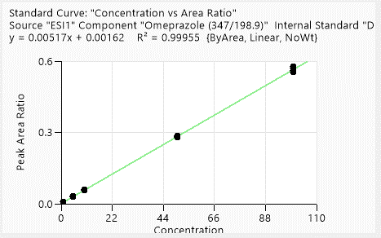
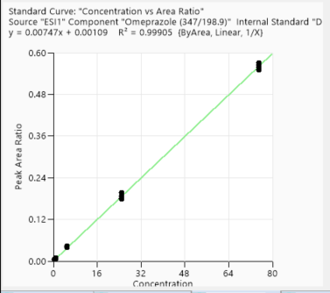
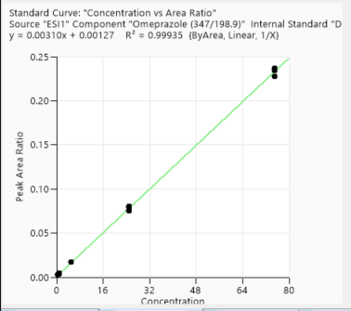
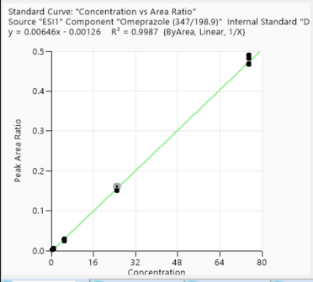
Calibration points data
 | 1st Day | 3rd Day | 2nd week | 4th week
Concentration of clabibration points/ppb | Peak area/IS Ratio | Peak area/IS Ratio | Peak area/IS Ratio | Peak area/IS Ratio
1 | 0.007182014 | 0.004723755 | 0.002803559 | 0.002597119
1 | 0.007000739 | 0.004365921 | 0.002735186 | 0.002343591
1 | 0.007041699 | 0.004071868 | 0.003075314 | 0.002210039
1 | 0.006801113 | 0.005259295 | 0.002886667 | 0.002248605
5 | 0.028952952 | 0.009316292 | 0.004667485 | 0.004430941
5 | 0.02953911 | 0.007877584 | 0.004151903 | 0.00520944
5 | 0.026843878 | 0.009447752 | 0.003976265 | 0.005241844
5 | 0.027042934 | 0.008080596 | 0.003945366 | 0.005088369
10 | 0.052623122 | 0.038979475 | 0.017481517 | 0.024811637
10 | 0.052601844 | 0.04353887 | 0.016967007 | 0.028014835
10 | 0.054222 | 0.039529246 | 0.017105553 | 0.02723786
10 | 0.052402616 | 0.0399176 | 0.017044595 | 0.029363731
50 | 0.254938162 | 0.178631409 | 0.080025646 | 0.161967473
50 | 0.258692545 | 0.181767083 | 0.079939221 | 0.164418583
50 | 0.262304702 | 0.187647162 | 0.075129674 | 0.154435023
50 | 0.25920171 | 0.19647434 | 0.076087964 | 0.154161717
100 | 0.522411928 | 0.559552483 | 0.236796009 | 0.500607465
100 | 0.513801721 | 0.570509334 | 0.227797319 | 0.491641332
100 | 0.507919614 | 0.549885502 | 0.237174179 | 0.477367551
100 | 0.530709013 | 0.565584959 | 0.234246058 | 0.478326996

Accuracy points data
 | 1st Day | 3rd Day | 2nd week | 4th week
Concentration of Accuracy points /ppb | Peak area/IS Ratio | Peak area/IS Ratio | Peak area/IS Ratio | Peak area/IS Ratio
2.5 | 0.015005891 | 0.019805583 | 0.008533158 | 0.015009369
2.5 | 0.015002027 | 0.01947984 | 0.008291036 | 0.014527522
2.5 | 0.014027389 | 0.021923629 | 0.009243488 | 0.01482502
2.5 | 0.015406428 | 0.019854133 | 0.009528729 | 0.014171702
25 | 0.131679271 | 0.06709029 | 0.030257051 | 0.050903923
25 | 0.143035206 | 0.073541128 | 0.029044818 | 0.053228525
25 | 0.123454629 | 0.071506665 | 0.028138155 | 0.056645303
25 | 0.131625024 | 0.07258344 | 0.030105353 | 0.055666293
75 | 0.384992306 | 0.431225551 | 0.181588506 | 0.28349602
75 | 0.390088218 | 0.436977258 | 0.174961045 | 0.277677738
75 | 0.355635051 | 0.441143101 | 0.177942477 | 0.270977058
75 | 0.37881423 | 0.420278976 | 0.177799858 | 0.259967854

1st day
4th week
3rd day
2nd week

Acetochlor
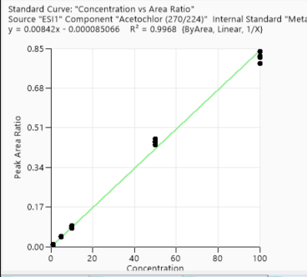
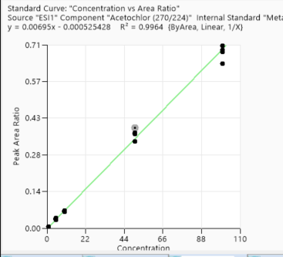
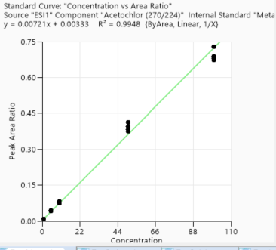
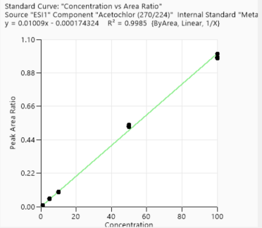
Calibration points data
 | 1st Day | 3rd Day | 2nd week | 4th week
Concentration of clabibration points/ppb | Peak area/IS Ratio | Peak area/IS Ratio | Peak area/IS Ratio | Peak area/IS Ratio
1 | 0.008058528 | 0.00656003 | 0.008716144 | 0.009442399
1 | 0.008763495 | 0.005917276 | 0.009905929 | 0.009990034
1 | 0.006665453 | 0.006176074 | 0.01011995 | 0.008243367
1 | 0.007825698 | 0.006543064 | 0.010838646 | 0.009713191
5 | 0.04367922 | 0.034751197 | 0.052194034 | 0.044017962
5 | 0.045248147 | 0.036192969 | 0.050274095 | 0.042649574
5 | 0.040250908 | 0.032755509 | 0.050041911 | 0.043039359
5 | 0.043798979 | 0.039780957 | 0.049011047 | 0.044430354
10 | 0.085888217 | 0.063594963 | 0.093742633 | 0.074929792
10 | 0.089359496 | 0.064620269 | 0.099968203 | 0.076872799
10 | 0.080386237 | 0.068368398 | 0.099082808 | 0.081330288
10 | 0.079581933 | 0.063263057 | 0.098518855 | 0.074205331
50 | 0.463174711 | 0.387705459 | 0.539681599 | 0.38279331
50 | 0.448344763 | 0.336658089 | 0.530119513 | 0.376181574
50 | 0.451406009 | 0.36488824 | 0.522745297 | 0.412409701
50 | 0.437264188 | 0.369732067 | 0.527461082 | 0.394733891
100 | 0.786950363 | 0.636818134 | 1.003926146 | 0.72973633
100 | 0.815871886 | 0.690206301 | 0.978861188 | 0.687157631
100 | 0.809983868 | 0.707169975 | 0.97619981 | 0.67340284
100 | 0.835751417 | 0.683585034 | 0.983980239 | 0.680911383

Accuracy points data
 | 1st Day | 3rd Day | 2nd week | 4th week
Concentration of Accuracy points /ppb | Peak area/IS Ratio | Peak area/IS Ratio | Peak area/IS Ratio | Peak area/IS Ratio
2.5 | 0.02109331 | 0.017577544 | 0.022713997 | 0.019682007
2.5 | 0.022023978 | 0.01800387 | 0.024584392 | 0.020709415
2.5 | 0.018867925 | 0.016398611 | 0.029558849 | 0.018114045
2.5 | 0.019618499 | 0.015329317 | 0.026474478 | 0.017138714
25 | 0.195356485 | 0.162791045 | 0.239912116 | 0.142945545
25 | 0.183779304 | 0.163555205 | 0.234553879 | 0.13538947
25 | 0.184124105 | 0.156880483 | 0.230620797 | 0.131468255
25 | 0.191426299 | 0.15929506 | 0.23506755 | 0.139462994
75 | 0.59033192 | 0.498045382 | 0.722700365 | 0.459891187
75 | 0.592105225 | 0.485071282 | 0.708655274 | 0.42625933
75 | 0.574267689 | 0.477856942 | 0.713323759 | 0.428132713
75 | 0.54714756 | 0.505966415 | 0.711828414 | 0.42242729

3rd day
4th week
1st day
2nd week

Cyprodinil
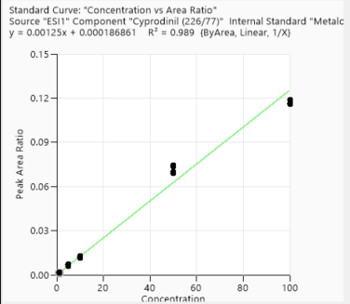
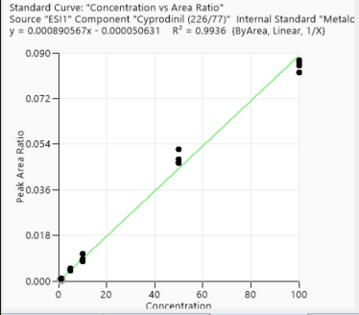
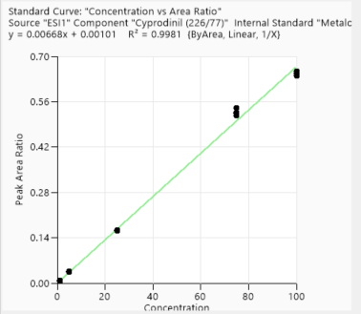
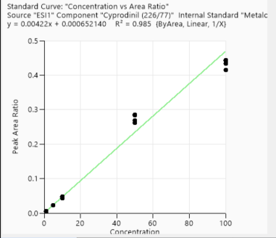
Calibration points data
 | 1st Day | 3rd Day | 2nd week | 4th week
Concentration of clabibration points/ppb | Peak area/IS Ratio | Peak area/IS Ratio | Peak area/IS Ratio | Peak area/IS Ratio
1 | 0.001443547 | 0.000506867 | 0.007562097 | 0.005077559
1 | 0.001245124 | 0.00077453 | 0.007627524 | 0.004539711
1 | 0.00136166 | 0.000912899 | 0.008447994 | 0.004892298
1 | 0.001607956 | 0.000936656 | 0.006796129 | 0.004725336
5 | 0.005798023 | 0.004445409 | 0.033994249 | 0.020688046
5 | 0.006894434 | 0.004973531 | 0.036659619 | 0.020701933
5 | 0.005985248 | 0.004522699 | 0.035417738 | 0.021259126
5 | 0.007078226 | 0.004130114 | 0.03408484 | 0.020799328
10 | 0.012092447 | 0.00783763 | 0.065701571 | 0.041351882
10 | 0.012660827 | 0.008058275 | 0.066092098 | 0.041825824
10 | 0.012024661 | 0.010733042 | 0.064388971 | 0.039354355
10 | 0.011592041 | 0.00862872 | 0.066844718 | 0.042665121
50 | 0.074635632 | 0.051967127 | 0.370996655 | 0.241266934
50 | 0.073375552 | 0.04643021 | 0.356020527 | 0.23579672
50 | 0.069036058 | 0.047995316 | 0.359551824 | 0.254671884
50 | 0.069969448 | 0.046834743 | 0.360993844 | 0.257128694
100 | 0.116554933 | 0.082310769 | 0.654382455 | 0.397577562
100 | 0.115861104 | 0.087120056 | 0.649610215 | 0.398526883
100 | 0.118903013 | 0.084890093 | 0.645159318 | 0.389433467
100 | 0.118702178 | 0.086314883 | 0.639648112 | 0.373922301

Accuracy points data
 | 1st Day | 3rd Day | 2nd week | 4th week
Concentration of Accuracy points /ppb | Peak area/IS Ratio | Peak area/IS Ratio | Peak area/IS Ratio | Peak area/IS Ratio
2.5 | 0.002909605 | 0.002537002 | 0.017951816 | 0.00746164
2.5 | 0.002771069 | 0.002430395 | 0.019693262 | 0.006642331
2.5 | 0.002897033 | 0.00218165 | 0.021427418 | 0.007232667
2.5 | 0.002929861 | 0.002060332 | 0.018786197 | 0.006247595
25 | 0.026808472 | 0.023223865 | 0.16474728 | 0.068866669
25 | 0.024230936 | 0.020437618 | 0.164461069 | 0.074322411
25 | 0.029495582 | 0.023071691 | 0.163140966 | 0.073268346
25 | 0.026089689 | 0.020307143 | 0.16222276 | 0.070912418
75 | 0.086507774 | 0.075413568 | 0.540537661 | 0.249185204
75 | 0.08699349 | 0.067966978 | 0.524806943 | 0.253171655
75 | 0.084545813 | 0.063769399 | 0.527775165 | 0.259300592
75 | 0.081337144 | 0.0734724 | 0.517027696 | 0.261779227

1st day
3rd day
2nd week
4th week

Chlorpyrifos methyl
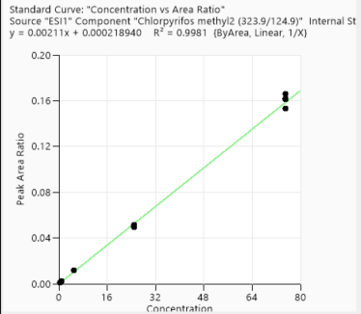
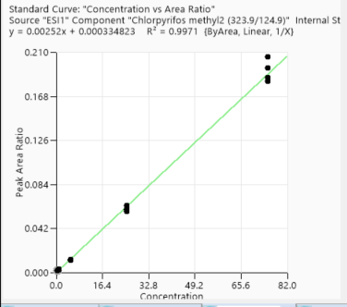
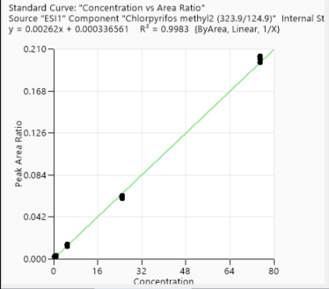
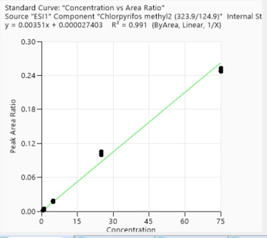
Calibration points data
 | 1st Day | 3rd Day | 2nd week | 4th week
Concentration of clabibration points/ppb | Peak area/IS Ratio | Peak area/IS Ratio | Peak area/IS Ratio | Peak area/IS Ratio
0.5 | 0.001173051 | 0.001420223 | 0.00151776 | 0.001517045
0.5 | 0.001203501 | 0.001595939 | 0.001623898 | 0.001779955
0.5 | 0.001281997 | 0.001649253 | 0.001620754 | 0.001665375
0.5 | 0.001337993 | 0.001807211 | 0.002136686 | 0.001525604
1 | 0.002290893 | 0.002881994 | 0.003148899 | 0.003340025
1 | 0.002379116 | 0.003416464 | 0.002922926 | 0.002992857
1 | 0.002274042 | 0.002962802 | 0.00281463 | 0.003424461
1 | 0.002208322 | 0.002728813 | 0.002655489 | 0.004050509
5 | 0.01170359 | 0.012440144 | 0.013564054 | 0.016583384
5 | 0.011727916 | 0.012533021 | 0.01374482 | 0.018841535
5 | 0.011838366 | 0.012491912 | 0.012720568 | 0.016841712
5 | 0.011467142 | 0.012014566 | 0.0142984 | 0.017767989
25 | 0.050406987 | 0.063967357 | 0.06038774 | 0.099956463
25 | 0.049361746 | 0.060621955 | 0.062744889 | 0.102468864
25 | 0.050070764 | 0.058625937 | 0.061936131 | 0.099148967
25 | 0.051335766 | 0.059910569 | 0.063278912 | 0.105103119
75 | 0.166079652 | 0.195296796 | 0.203372106 | 0.252682638
75 | 0.161854743 | 0.186558509 | 0.202406123 | 0.249670209
75 | 0.161392031 | 0.182728277 | 0.200185642 | 0.246488706
75 | 0.153034331 | 0.206184194 | 0.197247157 | 0.247835588

Accuracy points data
 | 1st Day | 3rd Day | 2nd week | 4th week
Concentration of Accuracy points /ppb | Peak area/IS Ratio | Peak area/IS Ratio | Peak area/IS Ratio | Peak area/IS Ratio
2.5 | 0.005800594 | 0.006344321 | 0.006832258 | 0.013634815
2.5 | 0.006222189 | 0.006500486 | 0.006473457 | 0.012747434
2.5 | 0.005807355 | 0.005874508 | 0.006875611 | 0.013353266
2.5 | 0.00461406 | 0.007084257 | 0.007734433 | 0.013806268
10 | 0.023921634 | 0.025061413 | 0.025598116 | 0.033389608
10 | 0.022997831 | 0.024880685 | 0.026649932 | 0.032497055
10 | 0.02386319 | 0.0256552 | 0.027039023 | 0.03644751
10 | 0.024748944 | 0.024748462 | 0.027527741 | 0.033417055
50 | 0.122713632 | 0.140933395 | 0.145207344 | 0.171229716
50 | 0.120409568 | 0.142831495 | 0.142817708 | 0.16599914
50 | 0.119014626 | 0.139415926 | 0.141693917 | 0.170861124
50 | 0.119695163 | 0.137187743 | 0.144477504 | 0.167231202

1st day
2nd week
3rd day
4th week

Methaqualone
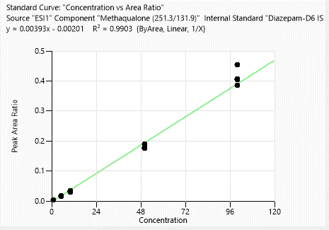
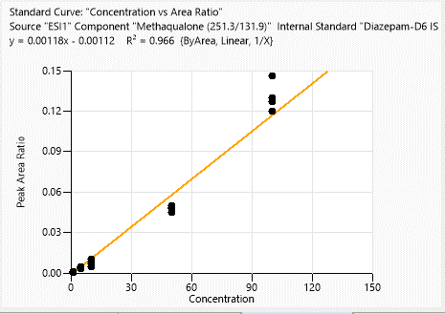
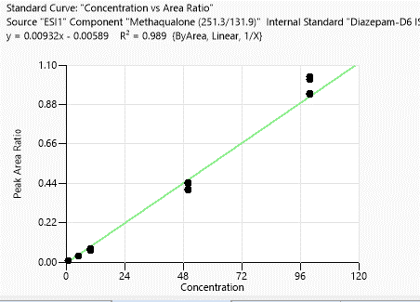
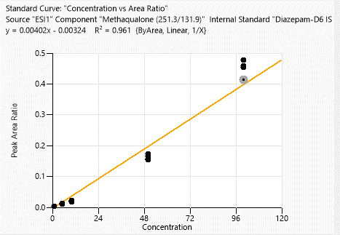
Calibration points data
 | 1st Day | 3rd Day | 2nd week | 4th week
Concentration of clabibration points/ppb | Peak area/IS Ratio | Peak area/IS Ratio | Peak area/IS Ratio | Peak area/IS Ratio
1 | 0.003207818 | 0.001204814 | 0.006278467 | 0.003827291
1 | 0.003223981 | 0.000645403 | 0.00609311 | 0.003934264
1 | 0.003107065 | 0.000552202 | 0.007822233 | 0.0025889
1 | 0.002484533 | 0.000349043 | 0.006153105 | 0.002817613
5 | 0.014585158 | 0.002937044 | 0.035712876 | 0.012360939
5 | 0.017070587 | 0.004256956 | 0.032593858 | 0.011631206
5 | 0.01475395 | 0.003572685 | 0.034898369 | 0.012110191
5 | 0.016070944 | 0.003454408 | 0.03508426 | 0.012535744
10 | 0.033280025 | 0.008368873 | 0.074910602 | 0.022595733
10 | 0.031484924 | 0.006915652 | 0.068389339 | 0.020784406
10 | 0.028511268 | 0.004637135 | 0.067587 | 0.020940378
10 | 0.031882498 | 0.010184965 | 0.066972246 | 0.017790412
50 | 0.188845422 | 0.047997862 | 0.444944672 | 0.16651487
50 | 0.175976585 | 0.044981889 | 0.40727292 | 0.172242141
50 | 0.178537051 | 0.049693669 | 0.400741833 | 0.157242559
50 | 0.175387949 | 0.048636292 | 0.438796438 | 0.15456242
100 | 0.454241196 | 0.146099298 | 1.035017797 | 0.477082526
100 | 0.406615655 | 0.129973877 | 1.021193544 | 0.454320544
100 | 0.404439825 | 0.126673761 | 0.934996265 | 0.459681492
100 | 0.385813992 | 0.119910592 | 0.942560148 | 0.412901295

Accuracy points data
 | 1st Day | 3rd Day | 2nd week | 4th week
Concentration of Accuracy points /ppb | Peak area/IS Ratio | Peak area/IS Ratio | Peak area/IS Ratio | Peak area/IS Ratio
2.5 | 0.00442087 | 0.000878515 | 0.012042523 | N/A
2.5 | 0.004417003 | 0.001354801 | 0.014286318 | 0.00281792
2.5 | 0.005601536 | 0.002162168 | 0.019181291 | N/A
2.5 | 0.005856606 | 0.001935298 | 0.016227734 | N/A
25 | 0.04910142 | 0.018807698 | 0.165296867 | 0.015926992
25 | 0.053202688 | 0.016984654 | 0.14716419 | 0.015297649
25 | 0.055456592 | 0.017798205 | 0.159050124 | 0.016183771
25 | 0.05560324 | 0.021178368 | 0.148397716 | 0.013335313
75 | 0.187844586 | 0.072951852 | 0.609803194 | 0.100192207
75 | 0.192727819 | 0.057984809 | 0.581180302 | 0.112351117
75 | 0.20516129 | 0.067644607 | 0.627314086 | 0.097850198
75 | 0.203557671 | 0.072198245 | 0.614520027 | 0.100633714

1st day
3rd day
2nd week
4th week

Atrazine

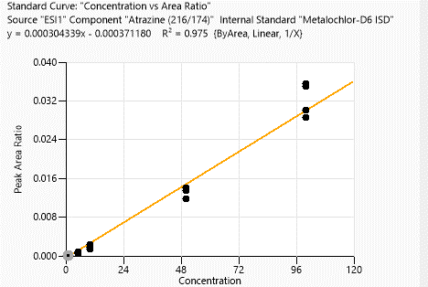
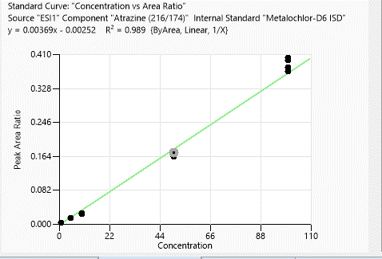
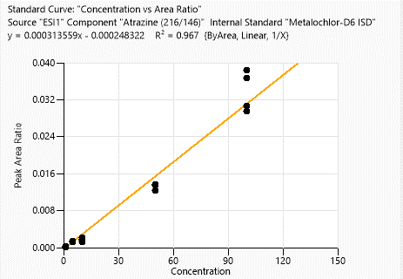
Calibration points data
 | 1st Day | 3rd Day | 2nd week | 4th week
Concentration of clabibration points/ppb | Peak area/IS Ratio | Peak area/IS Ratio | Peak area/IS Ratio | Peak area/IS Ratio
1 | 0.000997312 | 0.000064983 | 0.002537872 | 0.000214566
1 | 0.000525413 | 0.000075484 | 0.002479561 | 0.000204665
1 | 0.000850511 | 0.00009887 | 0.002358176 | 0.000159994
1 | 0.000766374 | 0.000081154 | 0.002676953 | 0.000148246
5 | 0.006105002 | 0.000490045 | 0.014398508 | 0.001391101
5 | 0.005908921 | N/A | 0.015363428 | 0.001444666
5 | 0.006298715 | 0.000732214 | 0.013624914 | 0.001244487
5 | 0.006624591 | 0.000789128 | 0.013608445 | N/A
10 | 0.013325948 | 0.001703374 | 0.023860144 | 0.00179699
10 | 0.012948171 | 0.001465467 | 0.023894235 | 0.001269867
10 | 0.011607677 | 0.002390704 | 0.026229978 | 0.001594251
10 | 0.01407947 | 0.002282504 | 0.023582977 | 0.002246695
50 | 0.068305855 | N/A | 0.175536323 | 0.012437522
50 | 0.067549225 | 0.011832805 | 0.168427188 | 0.013492028
50 | 0.06553932 | 0.013487956 | 0.163362928 | 0.013630128
50 | 0.064215201 | 0.014002559 | 0.173738313 | N/A
100 | 0.135271269 | 0.035543287 | 0.398070275 | 0.03839091
100 | 0.14083574 | 0.034936264 | 0.402784179 | 0.03663859
100 | 0.138774875 | 0.028662994 | 0.37087346 | 0.029615542
100 | 0.140724768 | 0.030021164 | 0.380645706 | 0.030567326

Accuracy points data
 | 1st Day | 3rd Day | 2nd week | 4th week
Concentration of Accuracy points /ppb | Peak area/IS Ratio | Peak area/IS Ratio | Peak area/IS Ratio | Peak area/IS Ratio
2.5 | 0.002745891 | 0.000424648 | 0.005182439 | 0.000217607
2.5 | 0.002432897 | 0.000364377 | 0.005651483 | 0.0000551
2.5 | 0.002544979 | 0.000340656 | 0.006655843 | 0.000475796
2.5 | 0.002851039 | 0.000085847 | 0.006418533 | 0.000142058
25 | 0.03441032 | 0.004599229 | 0.062479118 | 0.002421438
25 | 0.031214392 | 0.005747854 | 0.057103489 | 0.001350217
25 | 0.031122585 | N/A | 0.063502373 | 0.001828451
25 | 0.031565369 | 0.005579518 | 0.058052059 | 0.00129407
75 | 0.10333046 | 0.017707727 | 0.251683142 | 0.009604449
75 | 0.101821354 | 0.015050173 | 0.244904447 | 0.00790148
75 | 0.097545686 | 0.016689661 | 0.262233428 | 0.006480886
75 | 0.10913592 | 0.018030633 | 0.24925456 | 0.008292048

1st day
3rd day
2nd week
4th week

